Sheet1
ASSIGNMENT REPORT:
DATA SET: The Human Induced Earthquake
NAME: AKEENA IVAN
STUDENT ID: 20067780

Introduction:
The dataset basically consists on human induced earthquakes. Earthquakes are mostly because of humans' mistakes like mining. it makes huge disaster, it makes also impact on people business/jobs Firstly, I downloaded data then read it using pandas. There are 774 rows and 36 columns in this data

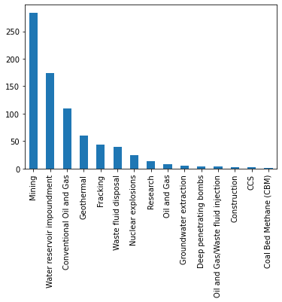 Graphical representation of Causes of Earthquakes mentioned in the data | 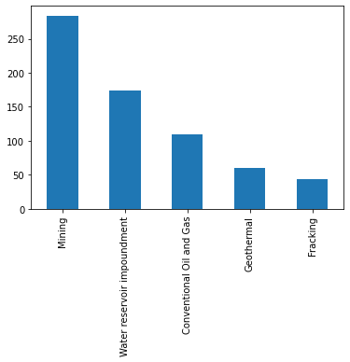 Graphical representation of Top 5 human induced Causes of Earthquakes

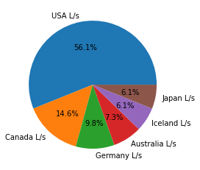 pie chart shows the top 6 countries that are mostly affected by human induced with their rate units | 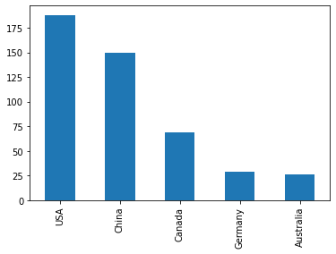 Graphical representation of 5 countries of the dataset which are the most effected countries because of human induced

